September 2025
 |  |  |  |  |  | Report Reference Date: | 2025-09-30
 |  |  |  |  |  | Report Frequency: | Quarterly
1. Current Credit Ratings |  | Long Term |  |  | Short Term
Mortgage Covered Bond Programme |  | AAA (Moody´s) |  |  | N/A
Caixa Geral de Depósitos |  | Baa1/ A / A (low) (Moody's / S&P / DBRS) |  |  | P-2/A-1/R-1L (Moody's / S&P / DBRS)
Portugal |  | A3 / A+ / A / A (high) (Moody's / S&P / Fitch / DBRS) |  |  | P2/A-1/F1+/R-1(Moody's / S&P / Fitch / DBRS)
2. Covered Bonds Issues |  | Issue Date | Coupon | Maturity Date | Soft Bullet Date1 | Remaining Term | Nominal Amount
Covered Bonds Outstanding |  |  |  |  |  | 3.02 | 5,000,000,000

Private Placements Covered Bonds Issues |  |  |  |  |  | 2.94
Series 14 (ISIN PTCGHOOE0013) |  | 2012-07-31 | FRN | 2026-04-30 | 2027-04-30 | 0.58 | 1,500,000,000
Series 18 (ISIN PTCGDLOM0028) |  | 2018-12-19 | FRN | 2028-12-19 | 2029-12-19 | 3.22 | 1,500,000,000
Series 19 (ISIN PTCGDEOM0001) |  | 2023-12-12 | FRN | 2030-06-12 | 2031-06-12 | 4.70 | 2,000,000,000
CRD Compliant (Yes/No) |  |  |  |  |  |  | Yes
3. Asset Cover Test |  |  |  |  |  | Remaining Term | Nominal Amount
Mortgage Credit Pool |  |  |  |  |  | 28.62 | 6,106,011,791
Liquid Assets (Liquidity Buffer, LB)2 |  |  |  |  |  | 0.71 | 146,377,935
LB- eligible Cash Deposits |  |  |  |  |  | 0.00 | 0.00
LB- eligible Securities |  |  |  |  | 2026-06-15 | 0.71 | 146,377,935
Substitution Assets (Cash and Securities) |  |  |  |  |  | 0.00 | 0
Total Cover Pool |  |  |  |  |  | 27.96 | 6,252,389,726
Overcollateralization3 (Current OC) |  |  |  |  |  |  | 25.05%
Required Overcollateralization (Moody's) - Minimum OC level to keep the current Mortgage Covered Bond Programme rating |  |  |  |  |  |  | 10.50%
Legal Minimum Overcollateralization |  |  |  |  |  |  | 5.00%

4. Other Triggers
Net Present Value of Assets (incl. derivatives)4 |  |  |  |  |  |  | 6,511,973,935
Net present value of liabilities (incl. derivatives)4 |  |  |  |  |  |  | 4,924,032,000
Net Present Value of Assets (incl. derivatives) - Net present value of liabilities (incl. derivatives) ≥ 0 |  |  |  |  |  |  | OK
Net Present Value of Assets (incl. derivatives) - Net present value of liabilities (incl. derivatives) ≥ 0 (stress of +200bps) |  |  |  |  |  |  | OK
Net Present Value of Assets (incl. derivatives) - Net present value of liabilities (incl. derivatives) ≥ 0 (stress of -200bps) |  |  |  |  |  |  | OK
Other Assets <= 20% (Cover Pool + Other Assets) |  |  |  |  |  |  | OK
Deposits with a remaining term > 100 days <= 15% Covered Bonds Nominal |  |  |  |  |  |  | OK
Estimated Interest from Mortgage Credit and Other Assets - Estimated Interest from Covered Bonds >= 0 |  |  |  |  |  |  | OK
Mortgage Credit + Other Assets WA Remaining Term - Covered Bonds WA Remaining Term >= 0 |  |  |  |  |  |  | OK

5. Currency Exposure
Cover Pool Includes
Assets in a currency different than Euro (yes/no) |  |  |  |  |  |  | No
Liabilities in a currency different than Euro (yes/no) |  |  |  |  |  |  | No
Cross currency swaps in place (yes/no) |  |  |  |  |  |  | No
Currency Exposure Detail |  |  |  |  |  |  | n/a

6. Mortgage Credit Pool
Main Characteristics
Number of Loans |  |  |  |  |  |  | 68,398
Aggregate Original Principal Balance (EUR) |  |  |  |  |  |  | 7,734,612,800
Aggregate Current Principal Balance (EUR) |  |  |  |  |  |  | 6,106,011,791
Average Original Principal Balance per loan (EUR) |  |  |  |  |  |  | 113,082
Average Current Principal Balance per loan (EUR) |  |  |  |  |  |  | 89,272
Current principal balance of the 5 largest borrowers (EUR) |  |  |  |  |  |  | 4,031,189
Weight of the 5 largest borrowers (current principal balance) % |  |  |  |  |  |  | 0.07
Current principal balance of the 10 largest borrowers (EUR) |  |  |  |  |  |  | 7,278,292
Weight of the 10 largest borrowers (current principal balance) % |  |  |  |  |  |  | 0.12
Weighted Average Seasoning (months) |  |  |  |  |  |  | 79.10
Weighted Average Remaining Term (months) |  |  |  |  |  |  | 340.51
Weighted Average Current Unindexed LTV5 (%) |  |  |  |  |  |  | 57.88
Weighted Average Current Indexed LTV5 (%) |  |  |  |  |  |  | 36.94%
Weighted Average Interest Rate (%) |  |  |  |  |  |  | 3.35
Weighted Average Spread (%) |  |  |  |  |  |  | 0.84
Max Maturity Date (yyyy-mm-dd) |  |  |  |  |  |  | 2072-04-20
 |  |  |  |  |  | Report Reference Date: | 2025-09-30
 |  |  |  |  |  | Report Frequency: | Quarterly
6. Mortgage Credit Pool (continued)
Subsidized Loans |  |  | Number of Loans |  | % Total Loans | Amount of Loans | % Total Amount
Yes |  |  |  | 0 | 0.00% | 0 | 0.00%
No |  |  |  | 68,398 | 100.00% | 6,106,011,791 | 100.00%
Insured Property6 |  |  | Number of Loans |  | % Total Loans | Amount of Loans | % Total Amount
Yes |  |  |  | 68,398 | 100.00% | 6,106,011,791 | 100.00%
No |  |  |  | 0 | 0.00% | 0 | 0.00%
Interest Rate Type |  |  | Number of Loans |  | % Total Loans | Amount of Loans | % Total Amount
Fixed7 |  |  |  | 19,950 | 29.17% | 2,210,507,189 | 36.20%
Floating |  |  |  | 48,448 | 70.83% | 3,895,504,602 | 63.80%
Repayment Type |  |  | Number of Loans |  | % Total Loans | Amount of Loans | % Total Amount
Annuity / French |  |  |  | 68,398 | 100.00% | 6,106,011,791 | 100.00%
Linear |  |  |  | 0 | 0.00% | 0 | 0.00%
Increasing instalments |  |  |  | 0 | 0.00% | 0 | 0.00%
Bullet |  |  |  | 0 | 0.00% | 0 | 0.00%
Interest-only |  |  |  | 0 | 0.00% | 0 | 0.00%
Other |  |  |  | 0 | 0.00% | 0 | 0.00%
Seasoning |  |  | Number of Loans |  | % Total Loans | Amount of Loans | % Total Amount
Up to 1 year |  |  |  | 1,204 | 1.76% | 126,141,813 | 2.07%
1 to 2 years |  |  |  | 4,587 | 6.71% | 529,944,314 | 8.68%
2 to 3 years |  |  |  | 6,225 | 9.10% | 735,677,453 | 12.05%
3 to 4 years |  |  |  | 6,873 | 10.05% | 812,646,702 | 13.31%
4 to 5 years |  |  |  | 7,501 | 10.97% | 868,688,464 | 14.23%
5 to 6 years |  |  |  | 5,860 | 8.57% | 614,346,869 | 10.06%
6 to 7 years |  |  |  | 6,566 | 9.60% | 568,378,290 | 9.31%
7 to 8 years |  |  |  | 3,431 | 5.02% | 277,318,420 | 4.54%
8 to 9 years |  |  |  | 1,891 | 2.76% | 132,545,591 | 2.17%
9 to 10 years |  |  |  | 2,903 | 4.24% | 187,900,067 | 3.08%
10 to 11 years |  |  |  | 1,999 | 2.92% | 121,560,315 | 1.99%
11 to 12 years |  |  |  | 798 | 1.17% | 37,132,509 | 0.61%
More than 12 years |  |  |  | 18,560 | 27.14% | 1,093,730,985 | 17.91%
Remaining Term |  |  | Number of Loans |  | % Total Loans | Amount of Loans | % Total Amount
Up to 5 years |  |  |  | 1,454 | 2.13% | 17,447,696 | 0.29%
5 to 8 years |  |  |  | 1,308 | 1.91% | 36,902,136 | 0.60%
8 to 10 years |  |  |  | 1,301 | 1.90% | 45,542,351 | 0.75%
10 to 12 years |  |  |  | 1,265 | 1.85% | 58,099,430 | 0.95%
12 to 14 years |  |  |  | 2,185 | 3.19% | 106,801,981 | 1.75%
14 to 16 years |  |  |  | 2,371 | 3.47% | 128,575,548 | 2.11%
16 to 18 years |  |  |  | 2,268 | 3.32% | 151,666,653 | 2.48%
18 to 20 years |  |  |  | 2,843 | 4.16% | 193,693,455 | 3.17%
20 to 22 years |  |  |  | 3,141 | 4.59% | 242,614,310 | 3.97%
22 to 24 years |  |  |  | 4,254 | 6.22% | 346,042,127 | 5.67%
24 to 26 years |  |  |  | 5,407 | 7.91% | 484,013,789 | 7.93%
...
 |  |  |  |  |  | Report Reference Date: | 2025-06-30
Lisbon |  |  |  | 31,899 | 46.64% | 3,302,556,307 | 54.09%
Alentejo |  |  |  | 4,157 | 6.08% | 283,092,274 | 4.64%
Algarve |  |  |  | 2,850 | 4.17% | 268,448,361 | 4.40%
Madeira |  |  |  | 1,496 | 2.19% | 138,878,296 | 2.27%
Azores |  |  |  | 1,816 | 2.66% | 150,894,663 | 2.47%
Delinquencies8 |  |  | Number of Loans |  | % Total Loans | Amount of Loans | % Total Amount
> 30 to 60 days |  |  |  | 143 | 0.22% | 13,267,315 | 0.22%
> 60 to 90 days |  |  |  | 6 | 0.01% | 714,425 | 0.01%
> 90 days |  |  |  | 0 | 0.00% | 0 | 0.00%
Projected Outstanding Amountb |  |  |  |  |  | Amortisation Profile__ | Principal Balance
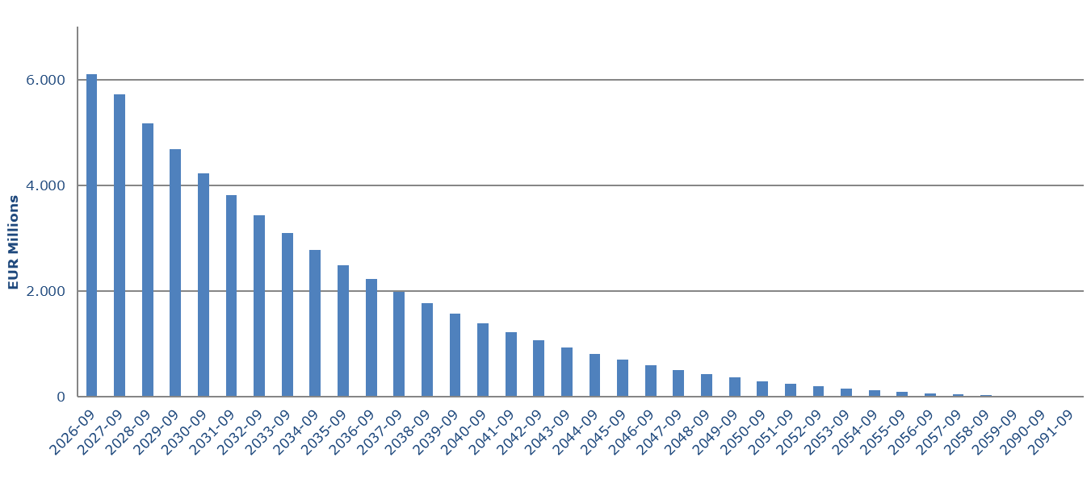
 |  |  |  |  |  | 2025-09 | 6,106,011,791
 |  |  |  |  |  | 2026-09 | 5,718,017,555
 |  |  |  |  |  | 2027-09 | 5,175,943,768
 |  |  |  |  |  | 2028-09 | 4,680,586,118
 |  |  |  |  |  | 2029-09 | 4,228,107,341
 |  |  |  |  |  | 2030-09 | 3,814,573,531
 |  |  |  |  |  | 2031-09 | 3,436,529,987
 |  |  |  |  |  | 2032-09 | 3,091,296,765
 |  |  |  |  |  | 2033-09 | 2,775,880,755
 |  |  |  |  |  | 2034-09 | 2,488,191,985
 |  |  |  |  |  | 2035-09 | 2,225,522,085
 |  |  |  |  |  | 2036-09 | 1,985,255,168
 |  |  |  |  |  | 2037-09 | 1,069,988,560
 |  |  |  |  |  | 2038-09 | 512,323,668
 |  |  |  |  |  | 2039-09 | 192,887,831
 |  |  |  |  |  | 2040-09 | 42,753,387
 |  |  |  |  |  | 2041-09 | 27,949,706
 |  |  |  |  |  | 2042-09 | 16,761,191

b Includes mortgage pool; assumes no prepayments
7. Expected Maturity Structure
In EUR | 0-1 Years | 1-2 Years | 2-3 Years | 3-4 Years | 4-5 Years | 5-10 Years | >10 Years
Residencial Mortgagesb | 527,923,292 | 530,336,519 | 484,126,101 | 442,387,083 | 404,336,760 | 1,553,351,483 | 2,163,550,553
Commercial Mortgages | 0 | 0 | 0 | 0 | 0 | 0 | 0
Other Assets2 | 146,377,935 | 0 | 0 | 0 | 0 | 0 | 0
Cover Pool | 674,301,227 | 530,336,519 | 484,126,101 | 442,387,083 | 404,336,760 | 1,553,351,483 | 2,163,550,553
Covered Bonds | 1,500,000,000 | 0 | 0 | 1,500,000,000 | 2,000,000,000 | 0 | 0
b Includes mortgage pool; assumes no prepayments
8. Derivative Financial Instruments |  |  |  |  |  |  | Nominal Amount
...

