December 2025
 |  |  |  |  |  | Report Reference Date: | 2025-12-31
 |  |  |  |  |  | Report Frequency: | Quarterly
1. Current Credit Ratings |  | Long Term |  |  | Short Term
Mortgage Covered Bond Programme |  | AAA (Moody´s) |  |  | N/A
Caixa Geral de Depósitos |  | Baa1/ A / A (low) (Moody's / S&P / DBRS) |  |  | P-2/A-1/R-1L (Moody's / S&P / DBRS)
Portugal |  | A3 / A+ / A / A (high) (Moody's / S&P / Fitch / DBRS) |  |  | P2/A-1/F1+/R-1(Moody's / S&P / Fitch / DBRS)
2. Covered Bonds Issues |  | Issue Date | Coupon | Maturity Date | Soft Bullet Date1 | Remaining Term | Nominal Amount
Covered Bonds Outstanding |  |  |  |  |  | 2.77 | 5,000,000,000

Private Placements Covered Bonds Issues |  |  |  |  |  | 2.68
Series 14 (ISIN PTCGHOOE0013) |  | 2012-07-31 | FRN | 2026-04-30 | 2027-04-30 | 0.33 | 1,500,000,000
Series 18 (ISIN PTCGDLOM0028) |  | 2018-12-19 | FRN | 2028-12-19 | 2029-12-19 | 2.97 | 1,500,000,000
Series 19 (ISIN PTCGDEOM0001) |  | 2023-12-12 | FRN | 2030-06-12 | 2031-06-12 | 4.45 | 2,000,000,000
CRD Compliant (Yes/No) |  |  |  |  |  |  | Yes
3. Asset Cover Test |  |  |  |  |  | Remaining Term | Nominal Amount
Mortgage Credit Pool |  |  |  |  |  | 28.10 | 5,855,080,202
Liquid Assets (Liquidity Buffer, LB)2 |  |  |  |  |  | 0.45 | 147,136,770
LB- eligible Cash Deposits |  |  |  |  |  | 0.00 | 0.00
LB- eligible Securities |  |  |  |  | 2026-06-15 | 0.45 | 146,377,935
Substitution Assets (Cash and Securities) |  |  |  |  |  | 0.00 | 0
Total Cover Pool |  |  |  |  |  | 27.42 | 6,002,216,972
Overcollateralization3 (Current OC) |  |  |  |  |  |  | 20.04%
Required Overcollateralization (Moody's) - Minimum OC level to keep the current Mortgage Covered Bond Programme rating |  |  |  |  |  |  | 10.50%
Legal Minimum Overcollateralization |  |  |  |  |  |  | 5.00%

4. Other Triggers
Net Present Value of Assets (incl. derivatives)4 |  |  |  |  |  |  | 6,262,035,816
Net present value of liabilities (incl. derivatives)4 |  |  |  |  |  |  | 4,938,297,000
Net Present Value of Assets (incl. derivatives) - Net present value of liabilities (incl. derivatives) ≥ 0 |  |  |  |  |  |  | OK
Net Present Value of Assets (incl. derivatives) - Net present value of liabilities (incl. derivatives) ≥ 0 (stress of +200bps) |  |  |  |  |  |  | OK
Net Present Value of Assets (incl. derivatives) - Net present value of liabilities (incl. derivatives) ≥ 0 (stress of -200bps) |  |  |  |  |  |  | OK
Other Assets <= 20% (Cover Pool + Other Assets) |  |  |  |  |  |  | OK
Deposits with a remaining term > 100 days <= 15% Covered Bonds Nominal |  |  |  |  |  |  | OK
Estimated Interest from Mortgage Credit and Other Assets - Estimated Interest from Covered Bonds >= 0 |  |  |  |  |  |  | OK
Mortgage Credit + Other Assets WA Remaining Term - Covered Bonds WA Remaining Term >= 0 |  |  |  |  |  |  | OK

5. Currency Exposure
Cover Pool Includes
Assets in a currency different than Euro (yes/no) |  |  |  |  |  |  | No
Liabilities in a currency different than Euro (yes/no) |  |  |  |  |  |  | No
Cross currency swaps in place (yes/no) |  |  |  |  |  |  | No
Currency Exposure Detail |  |  |  |  |  |  | n/a

6. Mortgage Credit Pool
Main Characteristics
Number of Loans |  |  |  |  |  |  | 66,411
Aggregate Original Principal Balance (EUR) |  |  |  |  |  |  | 7,496,195,518
Aggregate Current Principal Balance (EUR) |  |  |  |  |  |  | 5,855,080,202
Average Original Principal Balance per loan (EUR) |  |  |  |  |  |  | 112,876
Average Current Principal Balance per loan (EUR) |  |  |  |  |  |  | 88,164
Current principal balance of the 5 largest borrowers (EUR) |  |  |  |  |  |  | 3,834,650
Weight of the 5 largest borrowers (current principal balance) % |  |  |  |  |  |  | 0.07
Current principal balance of the 10 largest borrowers (EUR) |  |  |  |  |  |  | 6,897,689
Weight of the 10 largest borrowers (current principal balance) % |  |  |  |  |  |  | 0.12
Weighted Average Seasoning (months) |  |  |  |  |  |  | 82.51
Weighted Average Remaining Term (months) |  |  |  |  |  |  | 337.16
Weighted Average Current Unindexed LTV5 (%) |  |  |  |  |  |  | 57.37
Weighted Average Current Indexed LTV5 (%) |  |  |  |  |  |  | 36.52
Weighted Average Interest Rate (%) |  |  |  |  |  |  | 3.23
Weighted Average Spread (%) |  |  |  |  |  |  | 0.89
Max Maturity Date (yyyy-mm-dd) |  |  |  |  |  |  | 2072-04-20
 |  |  |  |  |  | Report Reference Date: | 2025-12-31
 |  |  |  |  |  | Report Frequency: | Quarterly
6. Mortgage Credit Pool (continued)
Subsidized Loans |  |  | Number of Loans |  | % Total Loans | Amount of Loans | % Total Amount
Yes |  |  |  | 0 | 0.00% | 0 | 0.00%
No |  |  |  | 66,411 | 100.00% | 5,855,080,202 | 100.00%
Insured Property6 |  |  | Number of Loans |  | % Total Loans | Amount of Loans | % Total Amount
Yes |  |  |  | 66,411 | 100.00% | 5,855,080,202 | 100.00%
No |  |  |  | 0 | 0.00% | 0 | 0.00%
Interest Rate Type |  |  | Number of Loans |  | % Total Loans | Amount of Loans | % Total Amount
Fixed7 |  |  |  | 16,095 | 24.24% | 1,759,307,752 | 30.05%
Floating |  |  |  | 50,316 | 75.76% | 4,095,772,450 | 69.95%
Repayment Type |  |  | Number of Loans |  | % Total Loans | Amount of Loans | % Total Amount
Annuity / French |  |  |  | 66,411 | 100.00% | 5,855,080,202 | 100.00%
Linear |  |  |  | 0 | 0.00% | 0 | 0.00%
Increasing instalments |  |  |  | 0 | 0.00% | 0 | 0.00%
Bullet |  |  |  | 0 | 0.00% | 0 | 0.00%
Interest-only |  |  |  | 0 | 0.00% | 0 | 0.00%
Other |  |  |  | 0 | 0.00% | 0 | 0.00%
Seasoning |  |  | Number of Loans |  | % Total Loans | Amount of Loans | % Total Amount
Up to 1 year |  |  |  | 672 | 1.01% | 69,100,648 | 1.18%
1 to 2 years |  |  |  | 3,227 | 4.86% | 358,984,833 | 6.13%
2 to 3 years |  |  |  | 6,212 | 9.35% | 723,297,414 | 12.35%
3 to 4 years |  |  |  | 6,477 | 9.75% | 755,351,039 | 12.90%
4 to 5 years |  |  |  | 7,314 | 11.01% | 842,454,798 | 14.39%
5 to 6 years |  |  |  | 5,569 | 8.39% | 616,658,649 | 10.53%
6 to 7 years |  |  |  | 6,833 | 10.29% | 594,693,788 | 10.16%
7 to 8 years |  |  |  | 4,083 | 6.15% | 332,703,397 | 5.68%
8 to 9 years |  |  |  | 1,686 | 2.54% | 124,814,290 | 2.13%
9 to 10 years |  |  |  | 2,875 | 4.33% | 184,753,915 | 3.16%
10 to 11 years |  |  |  | 2,294 | 3.45% | 142,979,603 | 2.44%
11 to 12 years |  |  |  | 904 | 1.36% | 42,803,117 | 0.73%
More than 12 years |  |  |  | 18,265 | 27.50% | 1,066,484,712 | 18.21%
Remaining Term |  |  | Number of Loans |  | % Total Loans | Amount of Loans | % Total Amount
Up to 5 years |  |  |  | 1,434 | 2.16% | 17,400,126 | 0.30%
5 to 8 years |  |  |  | 1,322 | 1.99% | 37,043,976 | 0.63%
8 to 10 years |  |  |  | 1,274 | 1.92% | 44,409,917 | 0.76%
10 to 12 years |  |  |  | 1,219 | 1.84% | 57,119,493 | 0.98%
12 to 14 years |  |  |  | 2,263 | 3.41% | 108,489,073 | 1.85%
14 to 16 years |  |  |  | 2,326 | 3.50% | 126,625,304 | 2.16%
16 to 18 years |  |  |  | 2,208 | 3.32% | 148,508,326 | 2.54%
18 to 20 years |  |  |  | 2,892 | 4.35% | 195,967,919 | 3.35%
20 to 22 years |  |  |  | 3,089 | 4.65% | 240,323,384 | 4.10%
22 to 24 years |  |  |  | 4,322 | 6.51% | 347,933,415 | 5.94%
24 to 26 years |  |  |  | 5,467 | 8.23% | 487,760,595 | 8.33%
...
 |  |  |  |  |  | Report Reference Date: | 2025-12-31
Lisbon |  |  |  | 30,873 | 46.49% | 3,154,439,984 | 53.88%
Alentejo |  |  |  | 4,056 | 6.11% | 273,313,856 | 4.67%
Algarve |  |  |  | 2,779 | 4.18% | 258,548,838 | 4.42%
Madeira |  |  |  | 1,457 | 2.19% | 134,042,067 | 2.29%
Azores |  |  |  | 1,793 | 2.70% | 147,564,743 | 2.52%
Delinquencies8 |  |  | Number of Loans |  | % Total Loans | Amount of Loans | % Total Amount
> 30 to 60 days |  |  |  | 117 | 0.18% | 11,797,028 | 0.19%
> 60 to 90 days |  |  |  | 12 | 0.02% | 1,131,352 | 0.02%
> 90 days |  |  |  | 0 | 0.00% | 0 | 0.00%
Projected Outstanding Amountb |  |  |  |  |  | Amortisation Profile__ | Principal Balance
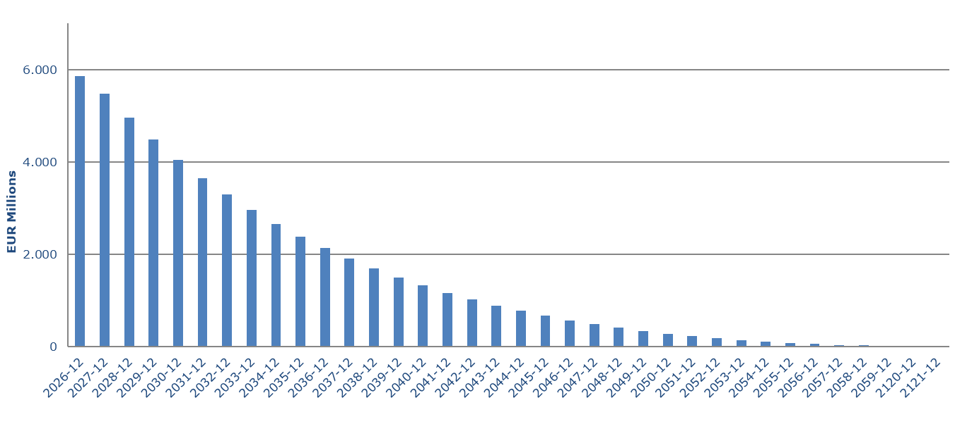
 |  |  |  |  |  | 2025-12 | 5,855,080,202
 |  |  |  |  |  | 2026-12 | 5,480,725,702
 |  |  |  |  |  | 2027-12 | 4,959,523,642
 |  |  |  |  |  | 2028-12 | 4,484,153,081
 |  |  |  |  |  | 2029-12 | 4,050,470,468
 |  |  |  |  |  | 2030-12 | 3,654,316,223
 |  |  |  |  |  | 2031-12 | 3,291,996,361
 |  |  |  |  |  | 2032-12 | 2,960,962,300
 |  |  |  |  |  | 2033-12 | 2,658,713,899
 |  |  |  |  |  | 2034-12 | 2,382,791,950
 |  |  |  |  |  | 2035-12 | 2,131,149,230
 |  |  |  |  |  | 2036-12 | 1,900,709,048
 |  |  |  |  |  | 2037-12 | 1,022,198,396
 |  |  |  |  |  | 2038-12 | 486,695,891
 |  |  |  |  |  | 2039-12 | 179,760,210
 |  |  |  |  |  | 2040-12 | 38,147,240
 |  |  |  |  |  | 2041-12 | 24,479,702
 |  |  |  |  |  | 2042-12 | 14,095,663

b Includes mortgage pool; assumes no prepayments
7. Expected Maturity Structure
In EUR | 0-1 Years | 1-2 Years | 2-3 Years | 3-4 Years | 4-5 Years | 5-10 Years | >10 Years
Residencial Mortgagesb | 509,043,689 | 509,562,545 | 464,481,781 | 423,849,588 | 387,479,775 | 1,488,926,427 | 2,071,736,396
Commercial Mortgages | 0 | 0 | 0 | 0 | 0 | 0 | 0
Other Assets2 | 147,136,770 | 0 | 0 | 0 | 0 | 0 | 0
Cover Pool | 656,180,459 | 509,562,545 | 464,481,781 | 423,849,588 | 387,479,775 | 1,488,926,427 | 2,071,736,396
Covered Bonds | 1,500,000,000 | 0 | 1,500,000,000 | 0 | 2,000,000,000 | 0 | 0
b Includes mortgage pool; assumes no prepayments
8. Derivative Financial Instruments |  |  |  |  |  |  | Nominal Amount
...

